Sheet1
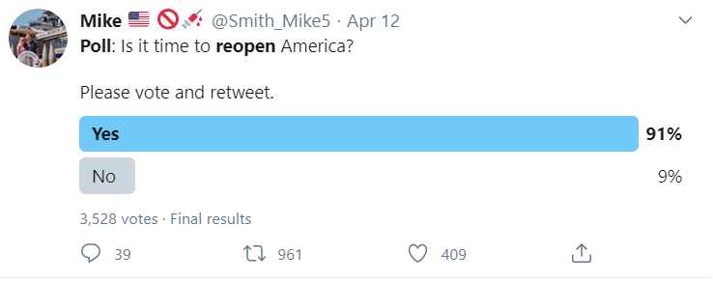
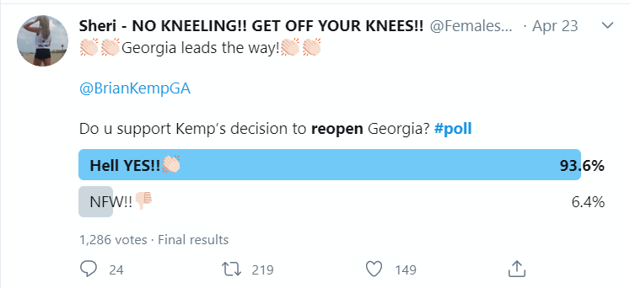
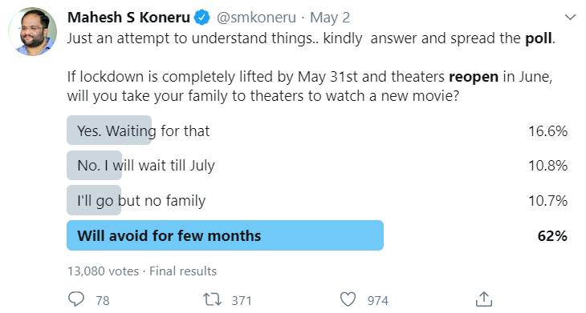
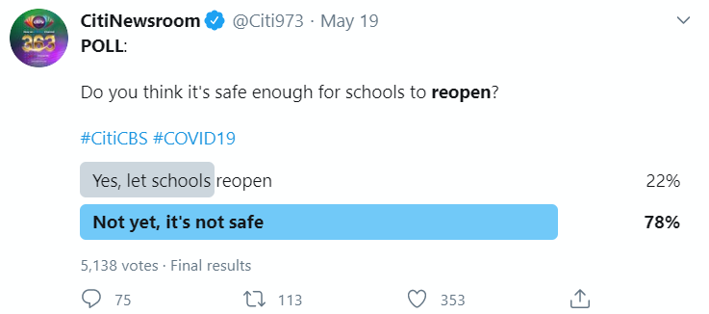
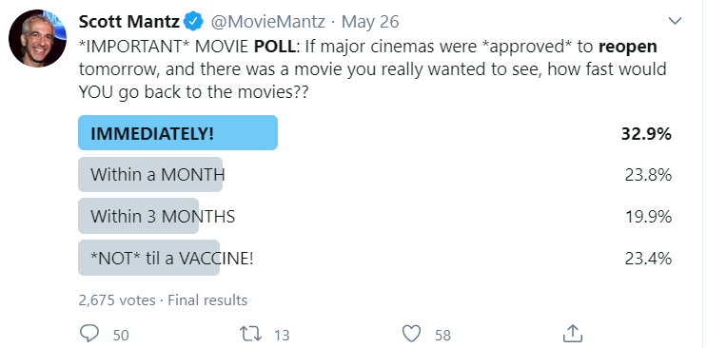
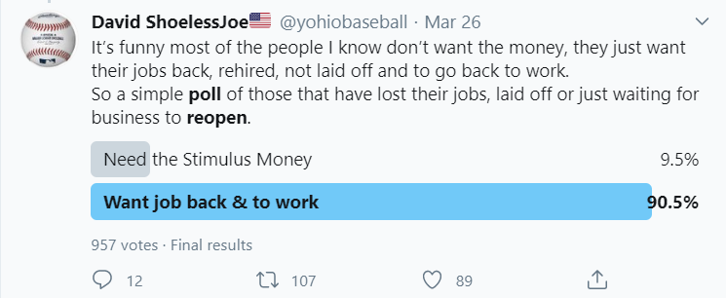
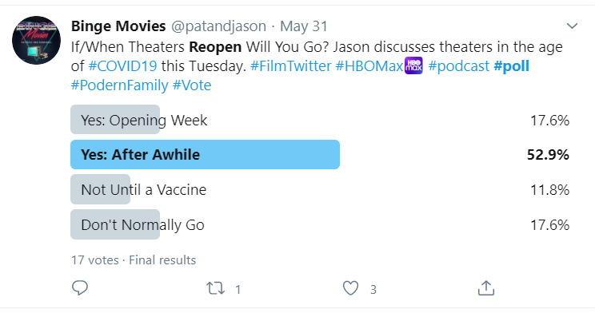
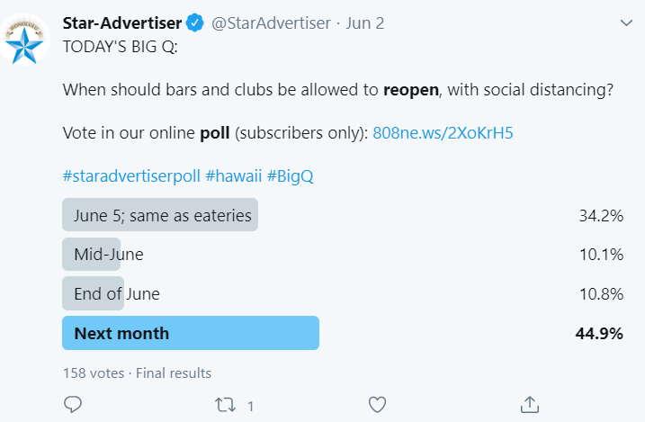
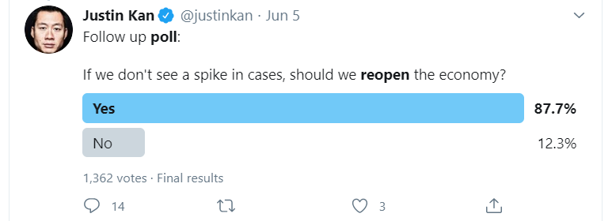
date | support(%) | details | when and # of respondents | Website
2020-04-20
2020-04-21
2020-04-22
2020-04-23
2020-04-24
2020-04-25
2020-04-26
2020-04-27
2020-04-28 | 36.7 | majority of people (62% vs. 36%) are more concerned that businesses in their area will reopen too quickly rather than too slowly. (36/(36+62) = 36.7% support reopening) | April 25-28. Sample size: 4717 | https://www.surveymonkey.com/curiosity/fortune-poll-reopening-economy/
 |  | 66% did not want to return to their workplace, 25% will return to work in May | April 27-28. 2,003 adults | https://thehill.com/homenews/state-watch/495644-two-thirds-of-americans-uncomfortable-with-returning-to-their-workplace
2020-04-29
2020-04-30 | 23.5 | 20% thought the economy should reopen in April (i.e., immediately) or May, 37% said June or July, 16% said August or September, and 12% said October or later. (20/(20+37+16+12)=23.5 support reopening recently | April 29-April 30, 2020 among a national sample of 1993 Registered Voters | https://morningconsult.com/wp-content/uploads/2020/05/2004100_crosstabs_CONTENT_CORONAVIRUS_RVs_v2_JB.pdf
2020-05-01
2020-05-02
2020-05-03
2020-05-04 | 31.5 | 63% of Americans said they were more concerned that states would move too quickly, while 29% said they worried that they would be too slow. (29/(29+63) = 31.5% support reopening) About 50% expresses some level of confidence that the country will be able to limit the outbreak’s impact over the next few weeks | The Monmouth University Poll was conducted by telephone from April 30 to May 4, 2020 with 808 adults in the United States | https://www.monmouth.edu/polling-institute/reports/monmouthpoll_us_050520/
2020-05-05 | 37.5 | 60% opposed reopening the country in the next few weeks, 36% supported it. 36/(36+60) = 37.5% support | April 30 - May 5. 1005 Interviews | https://navigatorresearch.org/wp-content/uploads/2020/05/Navigator-Daily-Tracker-Topline-F05.05.20.pdf
 |  | 65% supported having a stay-at-home order in place in their state, and 29% said no | May 2-5. 1546 adults in the United States | https://civiqs.com/documents/Civiqs_DailyKos_monthly_banner_book_2020_05_r8c32an.pdf
 |  | 11% believed it was safe to end social distancing and reopen businesses right now. 6% said it would be safe in about two weeks, 19% said it would be in a month or so. 29% thought it would take several months, and 15% even said a year or longer. | May 3-5, 1500 US Adult citizens | https://fivethirtyeight.com/features/most-americans-think-its-too-soon-to-return-to-what-life-was-like-pre-pandemic/
2020-05-06 | 45 | 55% say businesses are reopening too soon | May 5-6, 2020. 1,341 adults.
2020-05-07
2020-05-08 |  | People are highly likely to go back to the beach (Unlikely: 380; Likely: 805) or resume doctor visits (Unlikely: 457; Likely: 740) – but will be hesitant to resume most other activities for the next month or two | May 1-8. Total responses: 1596 | https://www.tcpalm.com/story/news/2020/05/12/treasure-coast-poll-residents-ready-go-back-beach-work/3114905001/
2020-05-09
2020-05-10 | 41 | 41% are comfortable resuming their regular routines now, 58% are not | May 7-10, 2020 among a sample of 1,112 respondents. 435 landline respondents and 677 cell phone respondents | https://www.cnn.com/2020/05/12/politics/cnn-poll-americans-uncomfortable-routines/index.html
 | 44 | 51% of voters say the country as a whole is moving too fast to reopen businesses and public spaces, 25% say the pace is “about the right speed”, 15% respond that the efforts are moving along “too slowly.” (25+15)/(51+25+15) = 44% support reopening For the first time, a slim majority of GOP voters say they are more concerned about pandemic’s economic impact than public health impact. | May 8-10, 1,994 registered voters | http://morningconsult.com/2020/05/13/coronavirus-reopening-economy-health-impact-poll/
2020-05-11 | 36 | 64% of respondents to an ABC News/Ipsos poll released Friday said that opening the country now wasn’t worth it |  | https://www.marketwatch.com/story/a-majority-of-americans-say-reopening-the-country-from-coronavirus-restrictions-isnt-worth-the-risks-2020-05-08
2020-05-12
2020-05-13 | 44 | 56% arel more concerned about the coronavirus' threat to public health than to the economy. |  | https://www.businessinsider.com/poll-as-trump-pushes-to-reopen-republican-voters-support-2020-5
2020-05-14
2020-05-15
2020-05-16
2020-05-17
2020-05-18
2020-05-19
2020-05-20
2020-05-21
2020-05-22
2020-05-23
2020-05-24
2020-05-25
2020-05-26
2020-05-27
2020-05-28
2020-05-29 | 57 | 56% say we should safely re-open the economy and let people voluntarily begin to resume a more normal way of life while 42% say we should continue to limit economic and social activity until infection and death rates decrease even more. 56/(56+42) = 57% | https://mclaughlinonline.com/2020/05/29/newsmax-article-mclaughlin-poll-majority-want-reopen-of-economy-schools-churches/
2020-05-30

